Sheet1
Position Number | Location | UD color name | Pantone Code | Hex Code | Ral Code | Details
1 | Workshop interior Wall top | UD Gray Light | COOL Gray 2C | #d0d0ce | RAL 000 80 00 | 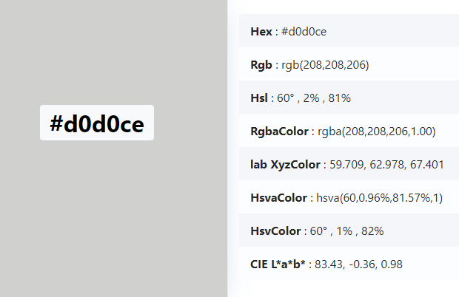 | 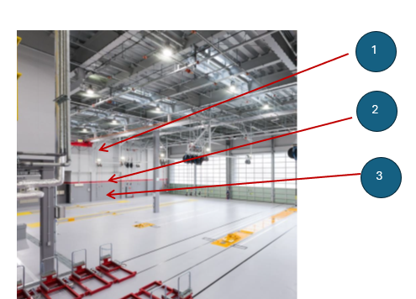
2 | Workshop interior Wall Middle line | UD RED | 1797C | #cb333b | RAL 040 50 70 | 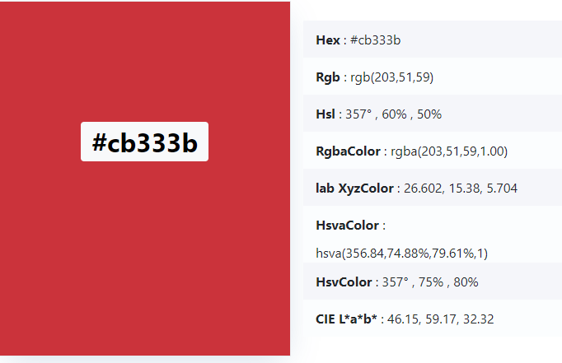
3 | Workshop interior Wall low | UD Gray Dark | COOL Gray 7C | #97999b | RAL 7042 | 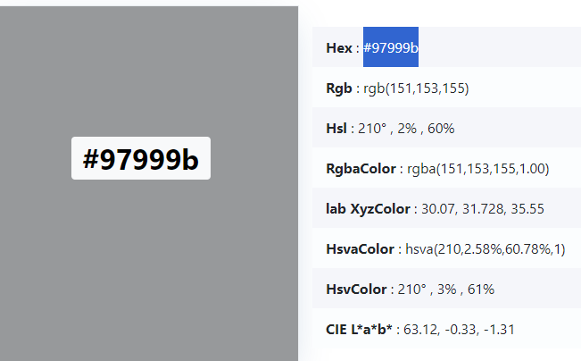 | 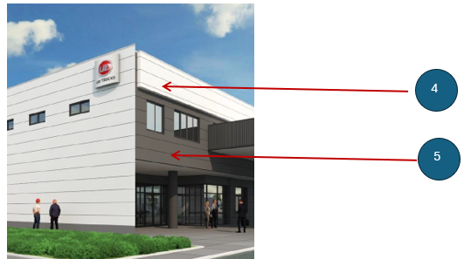
4 | Entrance outside wall top | UD Gray Light | Cool Gray 1C | #d9d9d6 | RAL 000 85 00 | 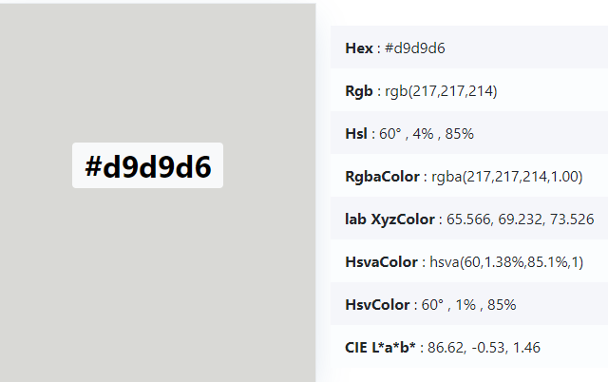
5 | Entrance outside wall low | UD Gray Dark | Cool Gray 10C | #63666a | RAL 7011 | 